Players
Team name | Short name | Country Code | Logo
-72c | -72c | RU | 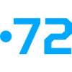
00NATION | 00NATION | EU | 
1ADL | 1ADL | NO
1WIN | 1WIN | RU | 
1WIN Academy | 1WIN Academy | RU | 
1WIN Gang | 1WIN Gang | EU | 
2070 | 2070 | BR
2GAME | 2GAME | BR | 
2kool4skool | 2kool4skool | DK | 
3DMAX | 3DMAX | FR | 
500 | 500 | BG | 
500 Rush | 500 Rush | PL | 
777 | 777 | NO | 
7AM | 7AM | GB | 
8Sins | 8Sins | GB | 
9 Pandas | 9 Pandas | RU | 
9INE | 9INE | PL | 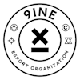
9INE Academy | 9INE Academy | PL | 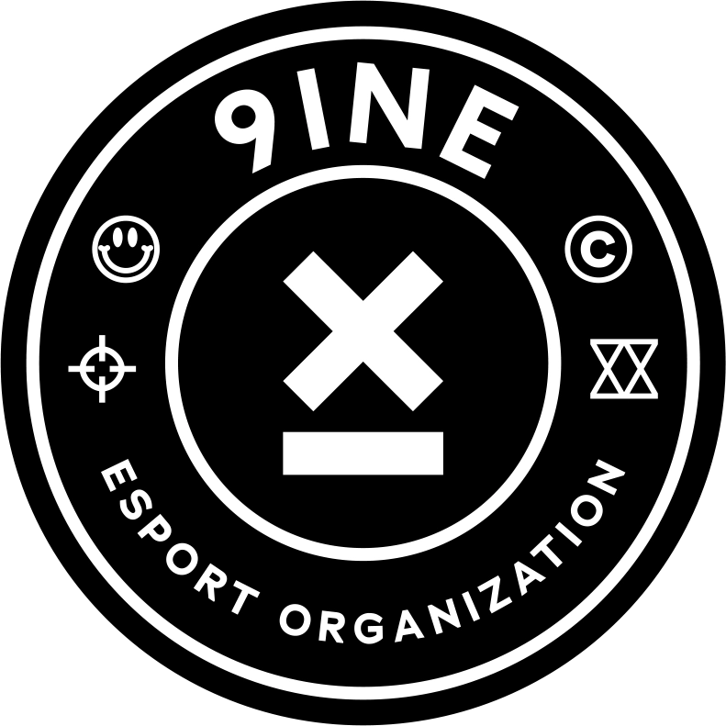
9z | 9z | AR | 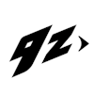
9z Academy | 9z Academy | BR | 
ADEPTS | ADEPTS | FR | 
AGO | AGO | PL | 
AIRLYA | AIRLYA | MK | 
AJF | AJF | BR | 
AK BARS | AK BARS | KG | 
AKA HERO KAJO | AKA HERO KAJO | FI | 
AL QATRAO | AL QATRAO | PT | 
ALASKA | ALASKA | GB
ALGO | ALGO | UA | 
ALLINNERS | ALLINNERS | KZ | 
ALTERNATE aTTaX | ALTERNATE aTTaX | DE
ALTERNATE aTTaX Evo | ALTERNATE aTTaX Evo | DE
AM | AM | EU
AMIGOS | AMIGOS | BR
AMKAL | AMKAL | RU
AMO Esport | AMO Esport | DK | 
ARCRED | ARCRED | EU | 
ATOX | ATOX | MN | 
AUC x Prestige | AUC x Prestige | DK | 
AVANGAR | AVANGAR | KZ
AVEZ | AVEZ | CZ
AaB | AaB | DK | 
AaB Academy | AaB Academy | DK
AaB Female | AaB Female | DK
AaB Prospects | AaB Prospects | DK
AaB Talent | AaB Talent | DK
AaB Youth | AaB Youth | DK
Adaptive Gaming | Adaptive Gaming | ZA | 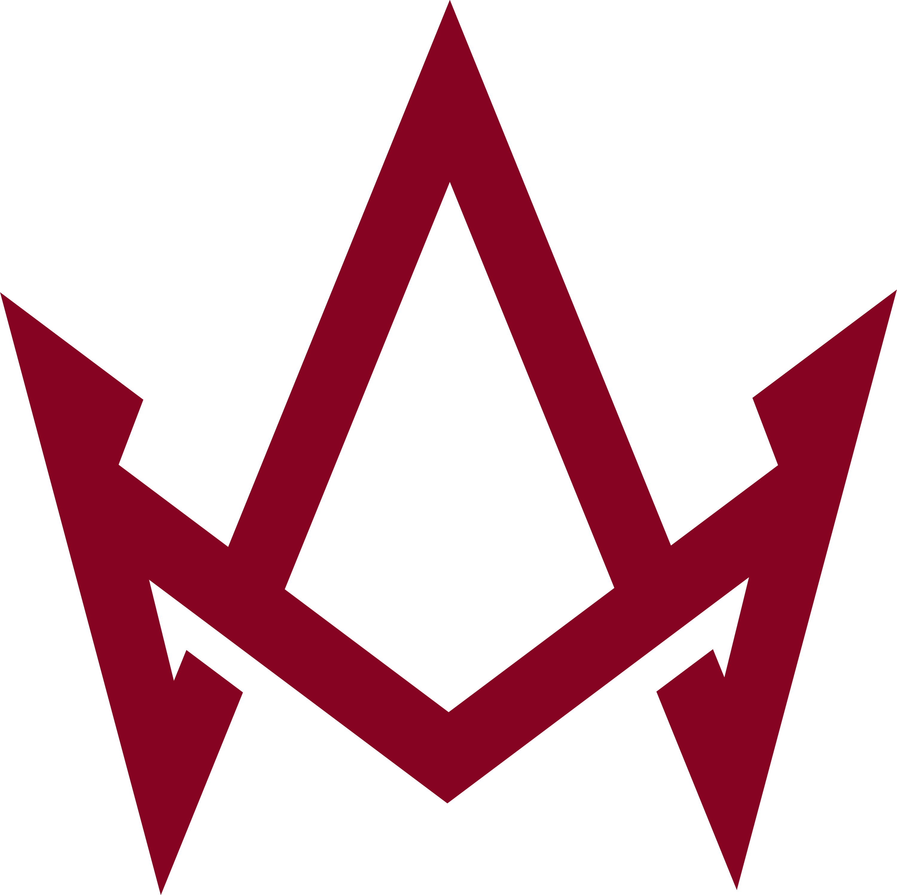
Adventurers | Adventurers | EU | 
Aether | Aether | US | 
Aether Esport | Aether Esport | DK | 
Aetheris | Aetheris | EU | 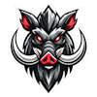
Agency | Agency | PT | 
Akimbo | Akimbo | MN | 
Akuma | Akuma | EU | 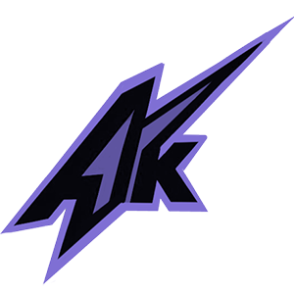
Al-Ittihad | Al-Ittihad | DZ
Alliance | Alliance | SE | 
Alter Ego | Alter Ego |  | 
Alter Iron | Alter Iron | US | 
Amager Esport | Amager Esport | DK | 
Ambush | Ambush | DK | 
Amped | Amped | US | 
Amped Red | Amped Red | US | 
América eSports | América eSports | BR | 
Anonymo | Anonymo | PL | 
Anorthosis Esports | Anorthosis Esports |  | 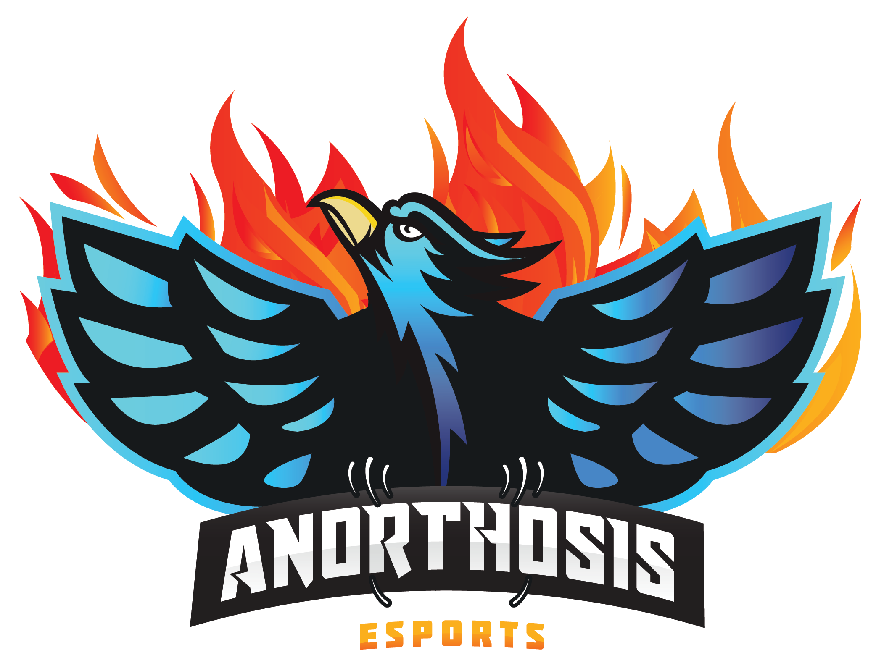
Anyday.io | Anyday.io | DK | 
Apeks | Apeks | EU | 
Apeks Rebels | Apeks Rebels | NO | 
Arcade | Arcade | AU | 
Arrow | Arrow | EU | 
Ascend | Ascend | DK | 
Ascend Esport Legion | Ascend Esport Legion | DK | 
Astralis | Astralis | DK
Astralis Talent | Astralis Talent | DK
Astralis W | Astralis W | DK
Astrum | Astrum | RU | 
Atrix | Atrix | BR | 
Aurora | Aurora | RU | 
Aurora Young Blud | AuroraYB | RU | 
Avanti | Avanti | DK | 
Avanti Future | Avanti Future | DK
Avanti Gaming | Avanti Gaming | DK
Avanti NXT | Avanti NXT | DK
Aware fe | Aware fe | US | 
B4 | B4 | BR | 
B8 | B8 | UA | 
BAKS | BAKS | RU | 
BASEMENT BOYS | BASEMENT BOYS | EU | 
BC.Game | BC.Game | EU | 
BESTIA | BESTIA | AR | 
BESTIA Academy | BESTIA Academy | AR | 
BIG | BIG | DE
BIG Academy | BIG Academy | DE | 
BIG EQUIPA | BIG EQUIPA | EU
BLEED | BLEED | EU | 
BLUEJAYS | BLUEJAYS | US | 
BOGATYRI | BOGATYRI | RU | 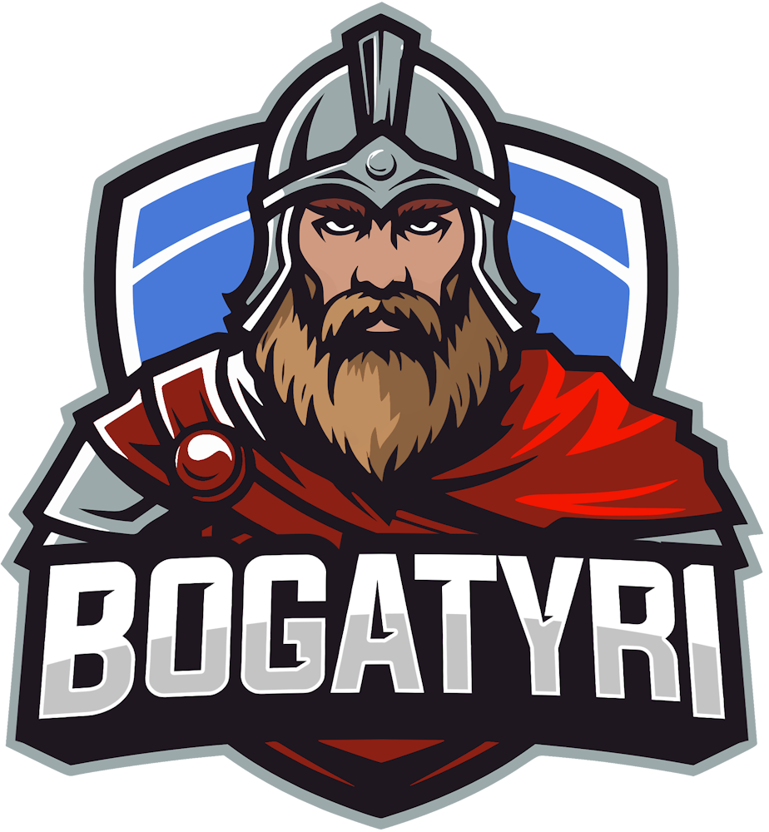
BOSS | BOSS | US | 
BRUTE | BRUTE | SK
BURN | BURN | BR | 
Baby Dillars | Baby Dillars | DK | 
Back2TheGame | Back2TheGame | PL | 
Bad News Bears | Bad News Bears | US | 
Bad News Capybaras | Bad News Capybaras | US
Bad News Chickens | Bad News Chickens | BR
Bad News Eagles | Bad News Eagles | XK | 
Bad News Kangaroos | Bad News Kangaroos | AU | 
BeBold | BeBold | BR | 
Belfast Storm | Belfast Storm | GB | 
BetBoom | BetBoom | RU | 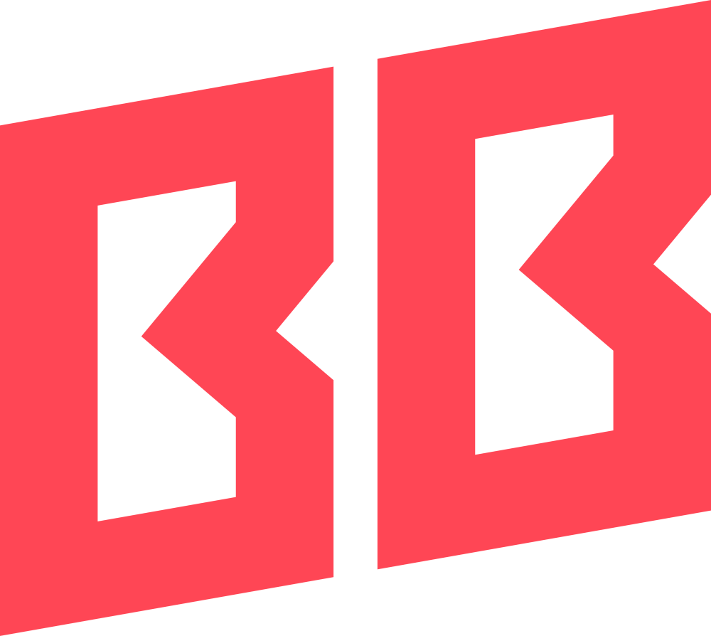
Betclic | Betclic | PL | 
Betera | Betera | BY | 
Bigetron | Bigetron |  | 
Black Mold | Black Mold | US | 
Blaze Warriors | Blaze Warriors | VN | 
Blood__Fox | BF | UA | 
Bloodwing | Bloodwing | DK | 
Blue Otter Karma | Blue Otter Karma | US | 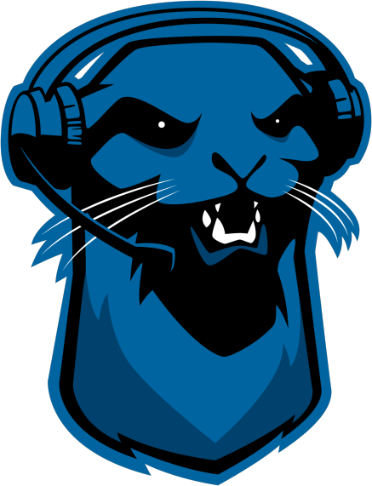
Boca Juniors | Boca Juniors | AR | 
Boskians | Boskians | BR
Bounty Hunters | Bounty Hunters | BR | 
Bounty Hunters fe | Bounty Hunters fe | BR | 
Bravado | Bravado | ZA | 
Brave Bears | Brave Bears | BR | 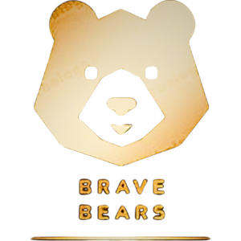
Bromo | Bromo | CN
CAPIVARAS | CAPIVARAS | BR | 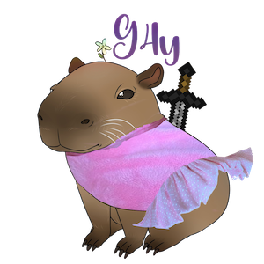
CEPTER | CEPTER | DK
CPH Wolves | CPH Wolves | EU
CPH Wolves Academy | CPH Wolves Academy | DK
CS2News | CS2News | RU | 
CS2News Ladies | CS2News Ladies | RU | 
CSDE | CSDE | UA | 
CSE.Main | CSE.Main | DK | 
CYBERSHOKE | CYBERSHOKE | RU | 
Caldya | Caldya | FR | 
Canon Event | Canon Event | AU | 
Carpe Diem | Carpe Diem | US | 
Case | Case | BR | 
CatEvil | CatEvil | CN | 
Catchii | Catchii | DK | 
Ceyltak | Ceyltak | DK | 
Chetz | Chetz | GB | 
Chicken Coop | Chicken Coop | US | 
Chill Guys | Chill Guys
Chimera | Chimera | RU | 
Chinggis Warriors | Chinggis Warriors | MN | 
Cloud9 | C9 | RU | 
Clutch | Clutch | MN | 
Coalesce | Coalesce | IE | 
Come Mid | Come Mid | PK
Complexity | Comlpl | US | 
Corinthians | Corinthians | BR | 
Crescent fe | Crescent fe | RU | 
Crystal.Onyx | Crystal.Onyx | DK | 
CsCapri | CsCapri | DK | 
DASH | DASH | UA | 
DB Peek Esports | DB Peek Esports | BR | 
DEAC | DEAC | HU | 
DEPO | DEPO | UZ | 
DETONATE | DETONATE | US | 
DETONATE SparX | DETONATE SparX | US | 
DMS | DMS | RU | 
DORADO | DORADO | DK
DRILLAS | DRILLAS | EU | 
DUSTY | DUSTY | IS
DXA | DXA | AU | 
Daaku | Daaku | SE | 
Dark Cloud | Dark Cloud | PL | 
Daystar | Daystar | DK | 
DediCated | DediCated | DK | 
Delta | Delta | KZ | 
Denial | Denial | DK | 
Depressed Criminals | Depressed Criminals | DK | 
Dewa United | Dewa United | ID | 
Divina fe | Divina fe | BR | 
DogEvil | DogEvil | CN
Doomer Boomers | Doomer Boomers | DK | 
Dreams To Legends | Dreams To Legends | GB | 
Dripmen | Dripmen | GB
Dusty Roots | Dusty Roots | AR | 
Dynamo ECLOT | ECLOT | CZ | 
E-Xolos LAZER | E-Xolos LAZER | BR | 
EC BANGA | EC BANGA | LV | 
ECSTATIC | ECSTATIC | DK | 
EK Violet | EK Violet | FI | 
ENABLE | ENABLE | DK | 
ENCE | ENCE | EU | 
ENCE Academy | ENCE Academy | FI | 
ENCE Athena | ENCE Athena | FI | 
ENEIDA | ENEIDA | UA | 
EPIC DUDES | EPIC DUDES | EU | 
ESC | ESC | PL | 
EXO | EXO | GB | 
EXSAD Gaming | EXSAD Gaming | PT | 
EYEBALLERS | EYEBALLERS | SE | 
Eco Warriors | Eco Warriors | EU | 
Egedal Esport | Egedal Esport | DK | 
Egedal Esport Aspects | Egedal Esport Aspects | DK
Ejby eSport Alpha | Ejby eSport Alpha | DK | 
Ejby eSport Main | Ejby eSport Main | DK
Elevate | Elevate | BR | 
ElitaStreAm | ElitaStreAm | RU | 
Elocon | Elocon | VN | 
Emerge | Emerge | DK | 
Emerge Main | Emerge Main | DK
Endpoint | Endpoint | EU | 
Enjoy | Enjoy | RU | 
Enterprise | Enterprise | CZ
Enterprise Gen | Enterprise Gen | CZ
Entropiq | Entropiq | EU | 
Epsilon | Epsilon | FR
Eruption | Eruption | MN | 
Espergærde Esport | Espergærde Esport | DK | 
Espergærde Esport Elite | Espergærde Esport Elite | DK
Espionage | Espionage | DK | 
Esport Taasinge | Esport Taasinge | DK | 
Esprots | Esprots | EE
Eternal Fire | Eternal Fire | TR | 
Eternal Fire Academy | Eternal Fire Academy | TR | 
Eternal Fire Young | Eternal Fire Young | TR | 
Eternals Gaming | Eternals Gaming | CL | 
Evil Geniuses | EG | US | 
Ex-Sport | Ex-Sport | BR
Exceritus | Exceritus | PE | 
FAVBET | FAVBET | UA | 
FLUFFY AIMERS | FLUFFY AIMERS | US | 
FLUFFY MAFIA | FLUFFY MAFIA | EU | 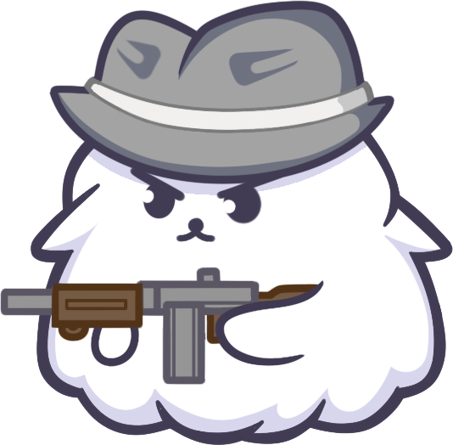
FLuffy Gangsters | FLuffy Gangsters | RU | 
FORZE | FORZE | RU | 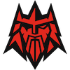
FORZE Reload | FORZE Reload | RU | 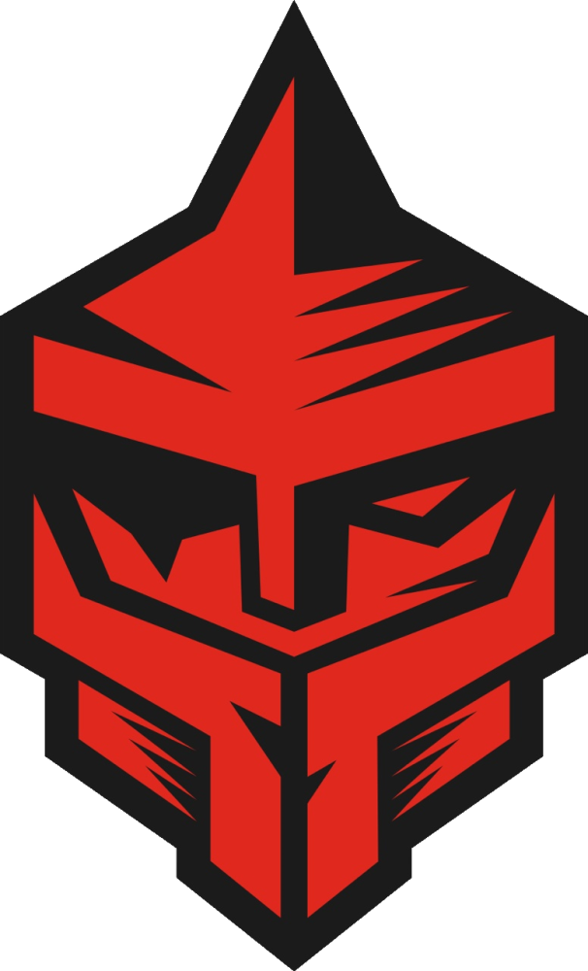
FORZE YNG | FORZE YNG | RU | 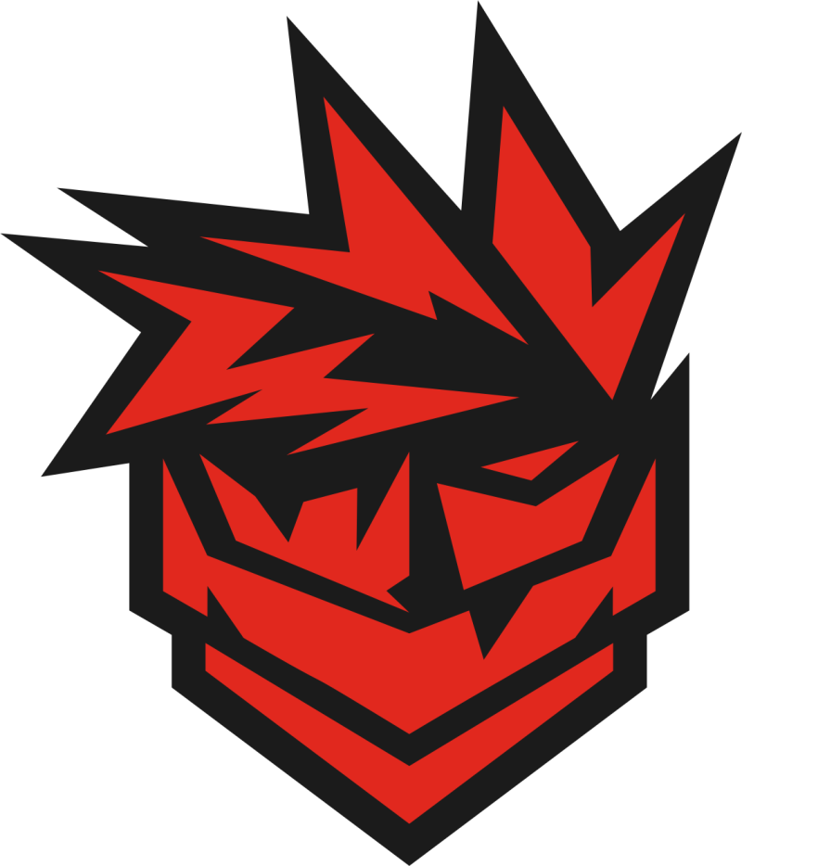
FOXED | FOXED | NO | 
FRAGMATIC | FRAGMATIC | UA | 
FURIA | FURIA | BR
FURIA Academy | FURIA Academy | BR | 
FURIA fe | FURIA fe | BR
FUTURE17 | FUTURE17 | DK | 
FaZe Clan | FaZe |  | 
Falcons | Falcons | EU | 
Familia Maquininha | Familia Maquininha | BR
Fast-Forward | Fast-Forward | DK | 
Fated Rise | Fated Rise | CN
Fearless Cheetahs | Fearless Cheetahs | RU | 
Fem Frækkedeller | Fem Frækkedeller | DK | 
Final Form | Final Form | US | 
Fire Flux | Fire Flux | EU | 
Fisher College | Fisher College | EU | 
Flame Sharks | Flame Sharks | RU | 
Flamengo | Flamengo | BR | 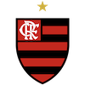
Flaming North Academy | Flaming North Academy | DK | 
Flaming North Elite | Flaming North Elite | DK
Flaming North Main | Flaming North Main | DK | 
Floki Esport | Floki Esport | DK | 
Floki Hellheim | Floki Hellheim | DK
Floripa Stars | Floripa Stars | BR | 
Floripa Stars Academy | Floripa Stars Academy | BR | 
Flshbck | Flshbck | IN
Fluxile | Fluxile | DK | 
Fluxo | Fluxo | BR | 
Fluxo Demons | Fluxo Demons | BR | 
FlyQuest | FlyQuest | AU | 
FlyQuest RED | FlyQuest RED | US | 
For The Win | For The Win | PT
ForceArena Lviv | ForceArena Lviv | UA | 
Fortress | Fortress | DK | 
Fortress Academy | Fortress Academy | DK
Forward | Forward | RU | 
Frb. Falcons | Frb. Falcons | DK | 
Frozen Ducks | Frozen Ducks | DK | 
Future Gaming | Future Gaming | DK | 
G2 | G2 | EU | 
G2 Ares | G2 Ares | EU
G2 Oya | G2 Oya | EU | 
G3 | G3 | US
GATERON | GATERON | CN
GENESIS | GENESIS | EE | 
GENKID4M4 | GENKID4M4 | BR
GEUD | GEUD | MN
GL Academy | GL Academy | EU | 
GL Prism | GL Prism | EU
GLHF | GLHF | DK | 
GODSENT | GODSENT | SE
GOGO | GOGO | DK | 
GR | GR | RU | 
GTZ | GTZ | PT | 
GTZ.Academy | GTZ.Academy | BR | 
GUILD fe | GUILD fe | EU | 
GUN5 | GUN5 | RU | 
Gaimin Gladiators | Gaimin Gladiators | DK | 
Galorys | Galorys | BR | 
Galorys Academy | Galorys Academy | BR | 
GameAgents | GameAgents | KZ | 
GameHunters | GameHunters | BR | 
GamerLegion | GL | EU
Garden Garage | Garden Garage | PL | 
Gecko eSport | Gecko eSport | DK | 
GenOne | GenOne | EU | 
Genk | Genk | EU | 
Getting Info | Getting Info | US
Ghost | Ghost | US
GhoulsW | GhoulsW | EU | 
Glamour | Glamour | RU | 
Gløderne | Gløderne | DK | 
Gods Reign | Gods Reign | IN | 
Grannys Knockers | Grannys Knockers | LT | 
Grayhound | Grayhound | AU
Gucci Academy | Gucci | EU | 
Guild Eagles | Guild Eagles | XK | 
HAVU | HAVU | FI | 
HAWKS ESPORTS | HAWKS ESPORTS | DK | 
HDE.Hype | HDE.Hype | DK | 
HDE.Wild | HDE.Wild | DK
HEROIC | HEROIC | DK | 
HEROIC Academy | HEROIC Academy | DK | 
HOTU | HOTU | RU | 
HSG fe | HSG fe |  | 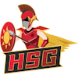
Hamringstogt - Alpha | Hamringstogt - Alpha | DK | 
Hawks | Hawks | AR | 
HeadShotKings | HeadShotKings | US | 
Hectic | Hectic | DK | 
Hedensted X SERA | SERA | DK | 
Hedensted X SERA Ascent | Hedensted X SERA Ascent | DK | 
Hedensted x SERA Talent | Hedensted x SERA Talent | DK
Heimo | Heimo | FI | 
Hesta | Hesta | RU | 
Himmelpuder | Himmelpuder | DK
Hold 2 | Hold 2 | DK | 
Homyno | Homyno | CA | 
Honvéd | Honvéd | HU | 
Housebets | Housebets | AU | 
Hunters Rising | Hunters Rising | BR
Hype | Hype | BR | 
HyperSpirit | HyperSpirit | RO | 
HyperioN | HyperioN | DK | 
HyperioN Academy | HyperioN Academy | DK
Hypersonic | Hypersonic | DK | 
Hyuga | Hyuga | RU
Højer Design Old School | Højer Design Old School | DK | 
IHC | IHC | MN | 
IKLA | IKLA | EU | 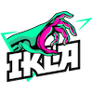
IMA PROBLEM | IMA PROBLEM | DK
INFINITE | INFINITE | RO | 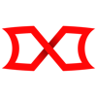
INFURITY | INFURITY | NO | 
INTZ | INTZ | BR | 
Iberian Soul | Iberian Soul | ES | 
Illuminar | Illuminar | PL
Illusion | Illusion | PL | 
Illyrians | Illyrians | XK | 
Immigrants peek | Immigrants peek | UA | 
Imp Pact fe | Imp Pact fe | US | 
Imperial | Imperial | BR | 
Imperial Valkyries | Imperial Valkyries | EU | 
Imperium Nexus | Imperium Nexus | BR | 
Impulse GW | Impulse GW | PT | 
InControl | InControl | US | 
Ingen Arme | Ingen Arme | DK | 
Ingen Arme Senior | Ingen Arme Senior | DK | 
Inner Circle | Inner Circle | EU | 
Insilio | Insilio | RU | 
Insilio Female | Insilio Female | RU | 
Insilio School | Insilio School | RU | 
Insomnia | Insomnia | PL | 
Intense | Intense | BR | 
Into the Breach | Into the Breach | GB | 
Invicta | Invicta | DK | 
JANO | JANO | FI | 
JOGA DE TERNO | JOGA DE TERNO | BR | 
JUMBO | JUMBO | RU | 
JiJieHao | JiJieHao |  | 
Johnny Speeds | Johnny Speeds | SE | 
Just Swing | Just Swing | CN | 
Justice For Tomorrow | Justice For Tomorrow | AU | 
K10 | K10 | GB | 
K10 Ashes | K10 Ashes | EU | 
K27 | K27 | RU | 
K27 fe | K27 fe | RU | 
KG fe | KG fe | BR | 
KOI | KOI | EU | 
KRÜ | KRÜ | AR | 
KTG esport | KTG esport | DK | 
KZG | KZG | AU | 
Kappa Bar | Kappa Bar | SE | 
Kario Mart | Kario Mart | SE | 
Kitsune | Kitsune | ZA | 
Knæskyderne | Knæskyderne | DK | 
Kolding Esport | Kolding Esport | DK | 
Kronjyllands Esport | Kronjyllands Esport | DK | 
Kubix | Kubix | XK | 
Kyoto | Kyoto | BG
LA RUGONETA | LA RUGONETA | AR
LAG | LAG | US | 
LEON | LEON | RU | 
LFO 2 | LFO 2 | RU
LFO 3 | LFO 3
LFO 4 | LFO 4
LOBOARMY | LOBOARMY | PE | 
LOS | LOS | BR | 
LUKoil | LUKoil |  | 
LUX Deluxe | LUX Deluxe | DK | 
LUX Esport | LUX Esport | DK
LUX Future | LUX Future | DK
La Santa Michaels | La Santa Michaels | DK | 
Lausanne | Lausanne | EU | 
Lazer Cats | Lazer Cats | UA | 
Le Bandit | Le Bandit | DK | 
Legacy | Leg | BR | 
Lemondogs | Lemondogs | SE | 
Leo | Leo | UA | 
Let Her Cook | Let Her Cook | EU | 
Lewandownskie | Lewandownskie | KZ
Leça | Leça | PT | 
Lilmix | Lilmix | SE
Limitless | Limitless | US | 
Linx Legacy | Linx Legacy | DK | 
Linx Legacy Elite | Linx Legacy Elite | DK | 
Linx Legacy HP | Linx Legacy HP | DK
Linx Legacy NXT | Linx Legacy NXT | DK | 
Lore | Lore | UA
Los Alpacas | Los Alpacas | PT | 
Lotus fe | Lotus fe | US | 
Lumen fe | Lumen fe | EU | 
Lycus Empire | Lycus Empire |  | 
Lynn Vision | LV | CN | 
M1 Gaming | M1 Gaming | PL | 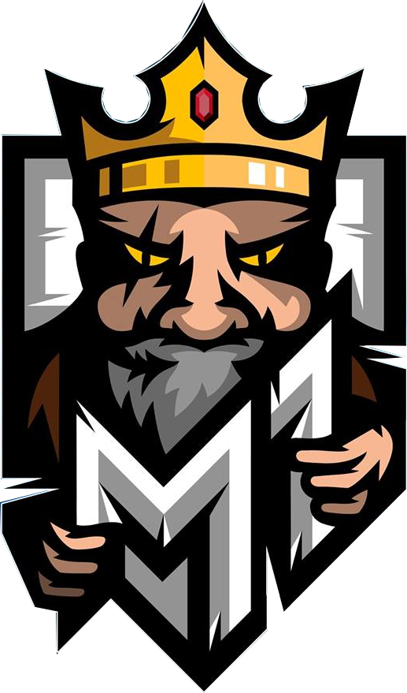
M1Z | M1Z | EE | 
M33Fe x NEIMARK | M33Fe x NEIMARK | RU | 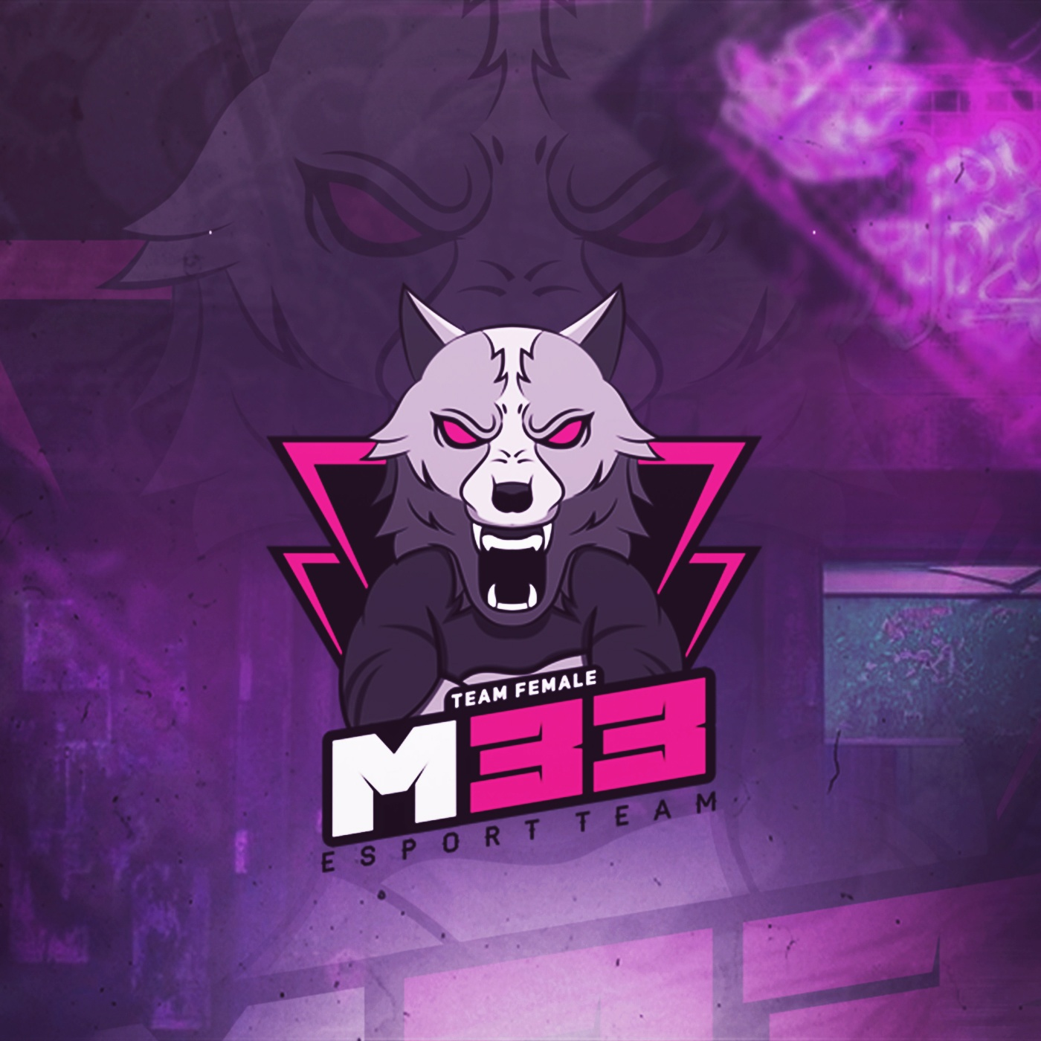
M80 | M80 | US | 
MAG | MAG |  | 
MANA eSports | MANA eSports | AL | 
MANTRA | MANTRA | AU
MASONIC | MASONIC | DK
MASONIC Academy | MASONIC Academy | DK
MCS | MCS | US | 
MEGA JUNERS | MEGA JUNERS | US | 
MIBR | MIBR | BR | 
MIBR Academy | MIBR Academy | BR | 
MIBR fe | MIBR fe | BR | 
MIGHT | MIGHT | US | 
MINLATE | MINLATE | EU
MOUZ | MOUZ | EU | 
MOUZ NXT | MOUZ NXT | EU | 
MYSKILL | MYSKILL | KZ | 
Madagaskar | Madagaskar | RU | 
Maestro | Maestro | EU | 
Magikere | Magikere | DK | 
Make Your Mind | Make Your Mind | UA
Marca Registrada | Marca Registrada | MX | 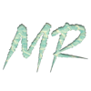
Marsborne | Marsborne | US | 
Martians | Martians | BR | 
Mejdal Golf & eSport | Mejdal Golf & eSport | DK | 
Mercenaires | Mercenaires | FR
Messitas | Messitas | AR | 
Meta | Meta | BR | 
Meteor | Meteor | KZ | 
Metizport | Metizport | SE | 
Metizport X | Metizport X | NO | 
MightyWolves | MightyWolves | EE | 
Mindfreak | Mindfreak | AU | 
Mission Possible | Mission Possible | EU
Molotov | Molotov | DK | 
Monte | Monte | UA | 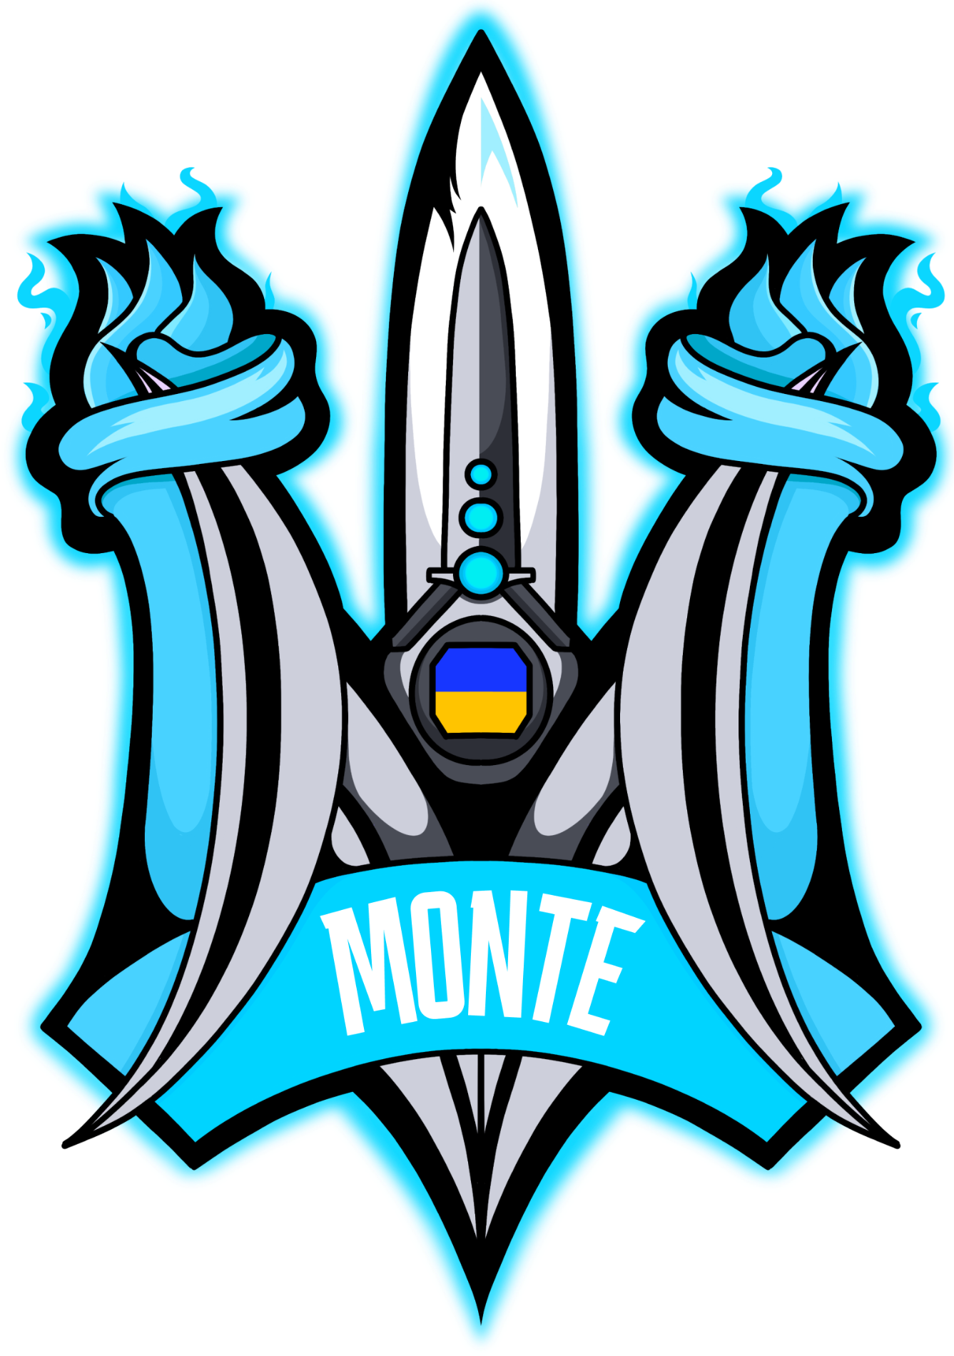
Monte Gen | Monte Gen | EU | 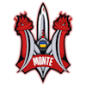
Moon | Moon | PH | 
MultiHunters | MultiHunters | DK | 
MultiHunters Elite | MultiHunters Elite | DK
Myth e-Sports | Myth e-Sports | BR | 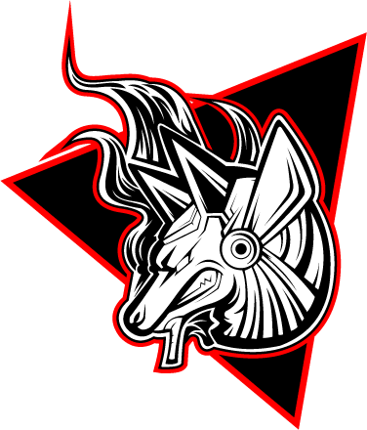
Mythic | Mythic | US | 
NAVI Javelins | NAVI Javelins | PL
NAVI Junior | NAVI Junior | EU
NAVI Youth | NAVI Youth | UA
NEVERMORE | NEVERMORE | UA | 
NIBBLE | NIBBLE | ZA
NIP Impact | NIP Impact | EU | 
NITRO | NITRO | BR | 
NKT | NKT |  | 
NOM | NOM | IL | 
NRG | NRG | US | 
Natus Vincere | NAVI |  | 
Nemiga | Nemiga | EU | 
Nemiga Academy | Nemiga Academy | BY | 
NeverPlay | NeverPlay | PT | 
New Generation Academy | New Generation Academy | BR | 
NewBALLS | NewBALLS | RU | 
Newhappy | Newhappy | CN | 
Nexus | Nexus | RO | 
NiceGuys | NiceGuys | DK
Nigma Galaxy | Nigma Galaxy | RU | 
Nii Kerge | Nii Kerge | EE | 
NinJa | NinJa | CN | 
Ninjas in Pyjamas | NIP | SE
Niory | Niory | EU
NomadS | NomadS | MN | 
Nordix | Nordix | NO | 
Nostalgia | Nostalgia | EU | 
Nouns | Nouns | US | 
Nouns fe | Nouns fe | US
Novaq | Novaq | KZ | 
Nuclear TigeRES | Nuclear TigeRES | RU | 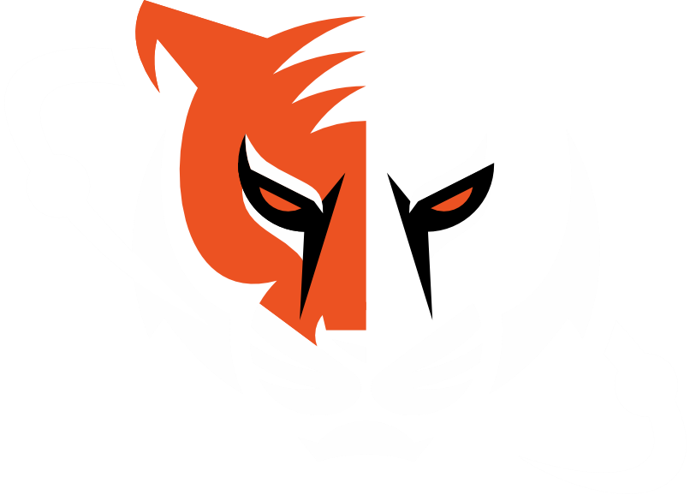
Nyx Empyre | Nyx Empyre |  | 
Næstved Esport Ascetic | Næstved Esport Ascetic | DK | 
O Grande Canhão | O Grande Canhão | DK | 
O Grande Canhão itsOK | O Grande Canhão itsOK | DK | 
O PLANO | O PLANO | BR | 
ODDIK | ODD | BR | 
ODDIK Academy | ODDIK Academy | BR | 
OG | OG | EU | 
OG Academy | OG Academy | EU | 
OMiT | OMiT | US | 
ONi | ONi | PH | 
OVERFRAG | OVERFRAG | PT | 
OWL | OWL | RU | 
One More | One More | US | 
OneDay fe | OneDay fe | EU
OneWayUp | OneWayUp | DK | 
Onliners5 | Onliners5 | SE
Only One Word | Only One Word |  | 
Onyx Ravens | Onyx Ravens |  | 
Ooredoo Thunders | Ooredoo Thunders |  | 
Orange Logo | Orange Logo | DK | 
PALOMA | PALOMA | PL | 
PARIVISION | PARI | RU | 
PARTIZAN | PARTIZAN | RU | 
PCIFIC | PCIFIC | TR | 
PEAK fe | PEAK fe | BR | 
PENTA | PENTA | DE | 
PERA | PERA | HU | 
PGE Turow | PGE Turow | PL | 
PLUSH | PLUSH | UA | 
POGGERZ | POGGERZ | SY | 
PROSPECTS | PROSPECTS | NO | 
Partizan | Partizan | RS | 
Party Astronauts | Party Astronauts | US | 
Passion UA | Passion UA | UA | 
Patins da Ferrari | Patins da Ferrari | BR | 
Peak Agency | Peak Agency | BR
PeeP | PeeP | RU | 
Pentagon | Pentagon | DK
Permitta | Permitta | PL | 
Permitta NXT | Permitta NXT | DE | 
Permitta W | Permitta W | PL | 
Perseverance | Perseverance | US | 
Persona Grata | Persona Grata | EU
Phantom Esports | Phantom Esports | PL | 
Phoenix | Phoenix | US | 
Players | Players | RU | 
Players | Players | BR
Pompa | Pompa | EU | 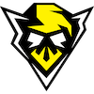
Prasso | Prasso | AR | 
Preasy | Preasy | DK | 
Preasy Rising | Preasy Rising | DK
Preasy Volt | Preasy Volt | EU | 
Prestige | Prestige | DK | 
Prestige Academy | Prestige Academy | DK
Prestige EC | Prestige EC | DK
Prestige Esport Penguins | Prestige Esport Penguins | DK
Prestige Esports Cheetah | Prestige Esports Cheetah | DK
Prestige Esports Lions | Prestige Esports Lions | DK
Prestige McQueen | Prestige McQueen | DK
Priority | Priority | US | 
Project G | Project G | PL | 
Prototype Blaze | Prototype Blaze | FR | 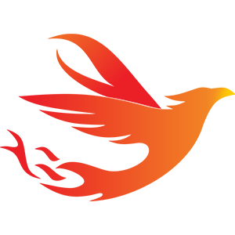
Punishers | Punishers | ZA
QMISTRY | QMISTRY | PL | 
QUAZAR | QUAZAR | RU | 
Qiang | Qiang | HU | 
Quem Sao Elas | Quem Sao Elas | BR | 
Quixal | Quixal | BG | 
RAGE | RAGE | KZ
RAPTORS EC | RAPTORS EC | GB | 
RAVENS | RAVENS | JP | 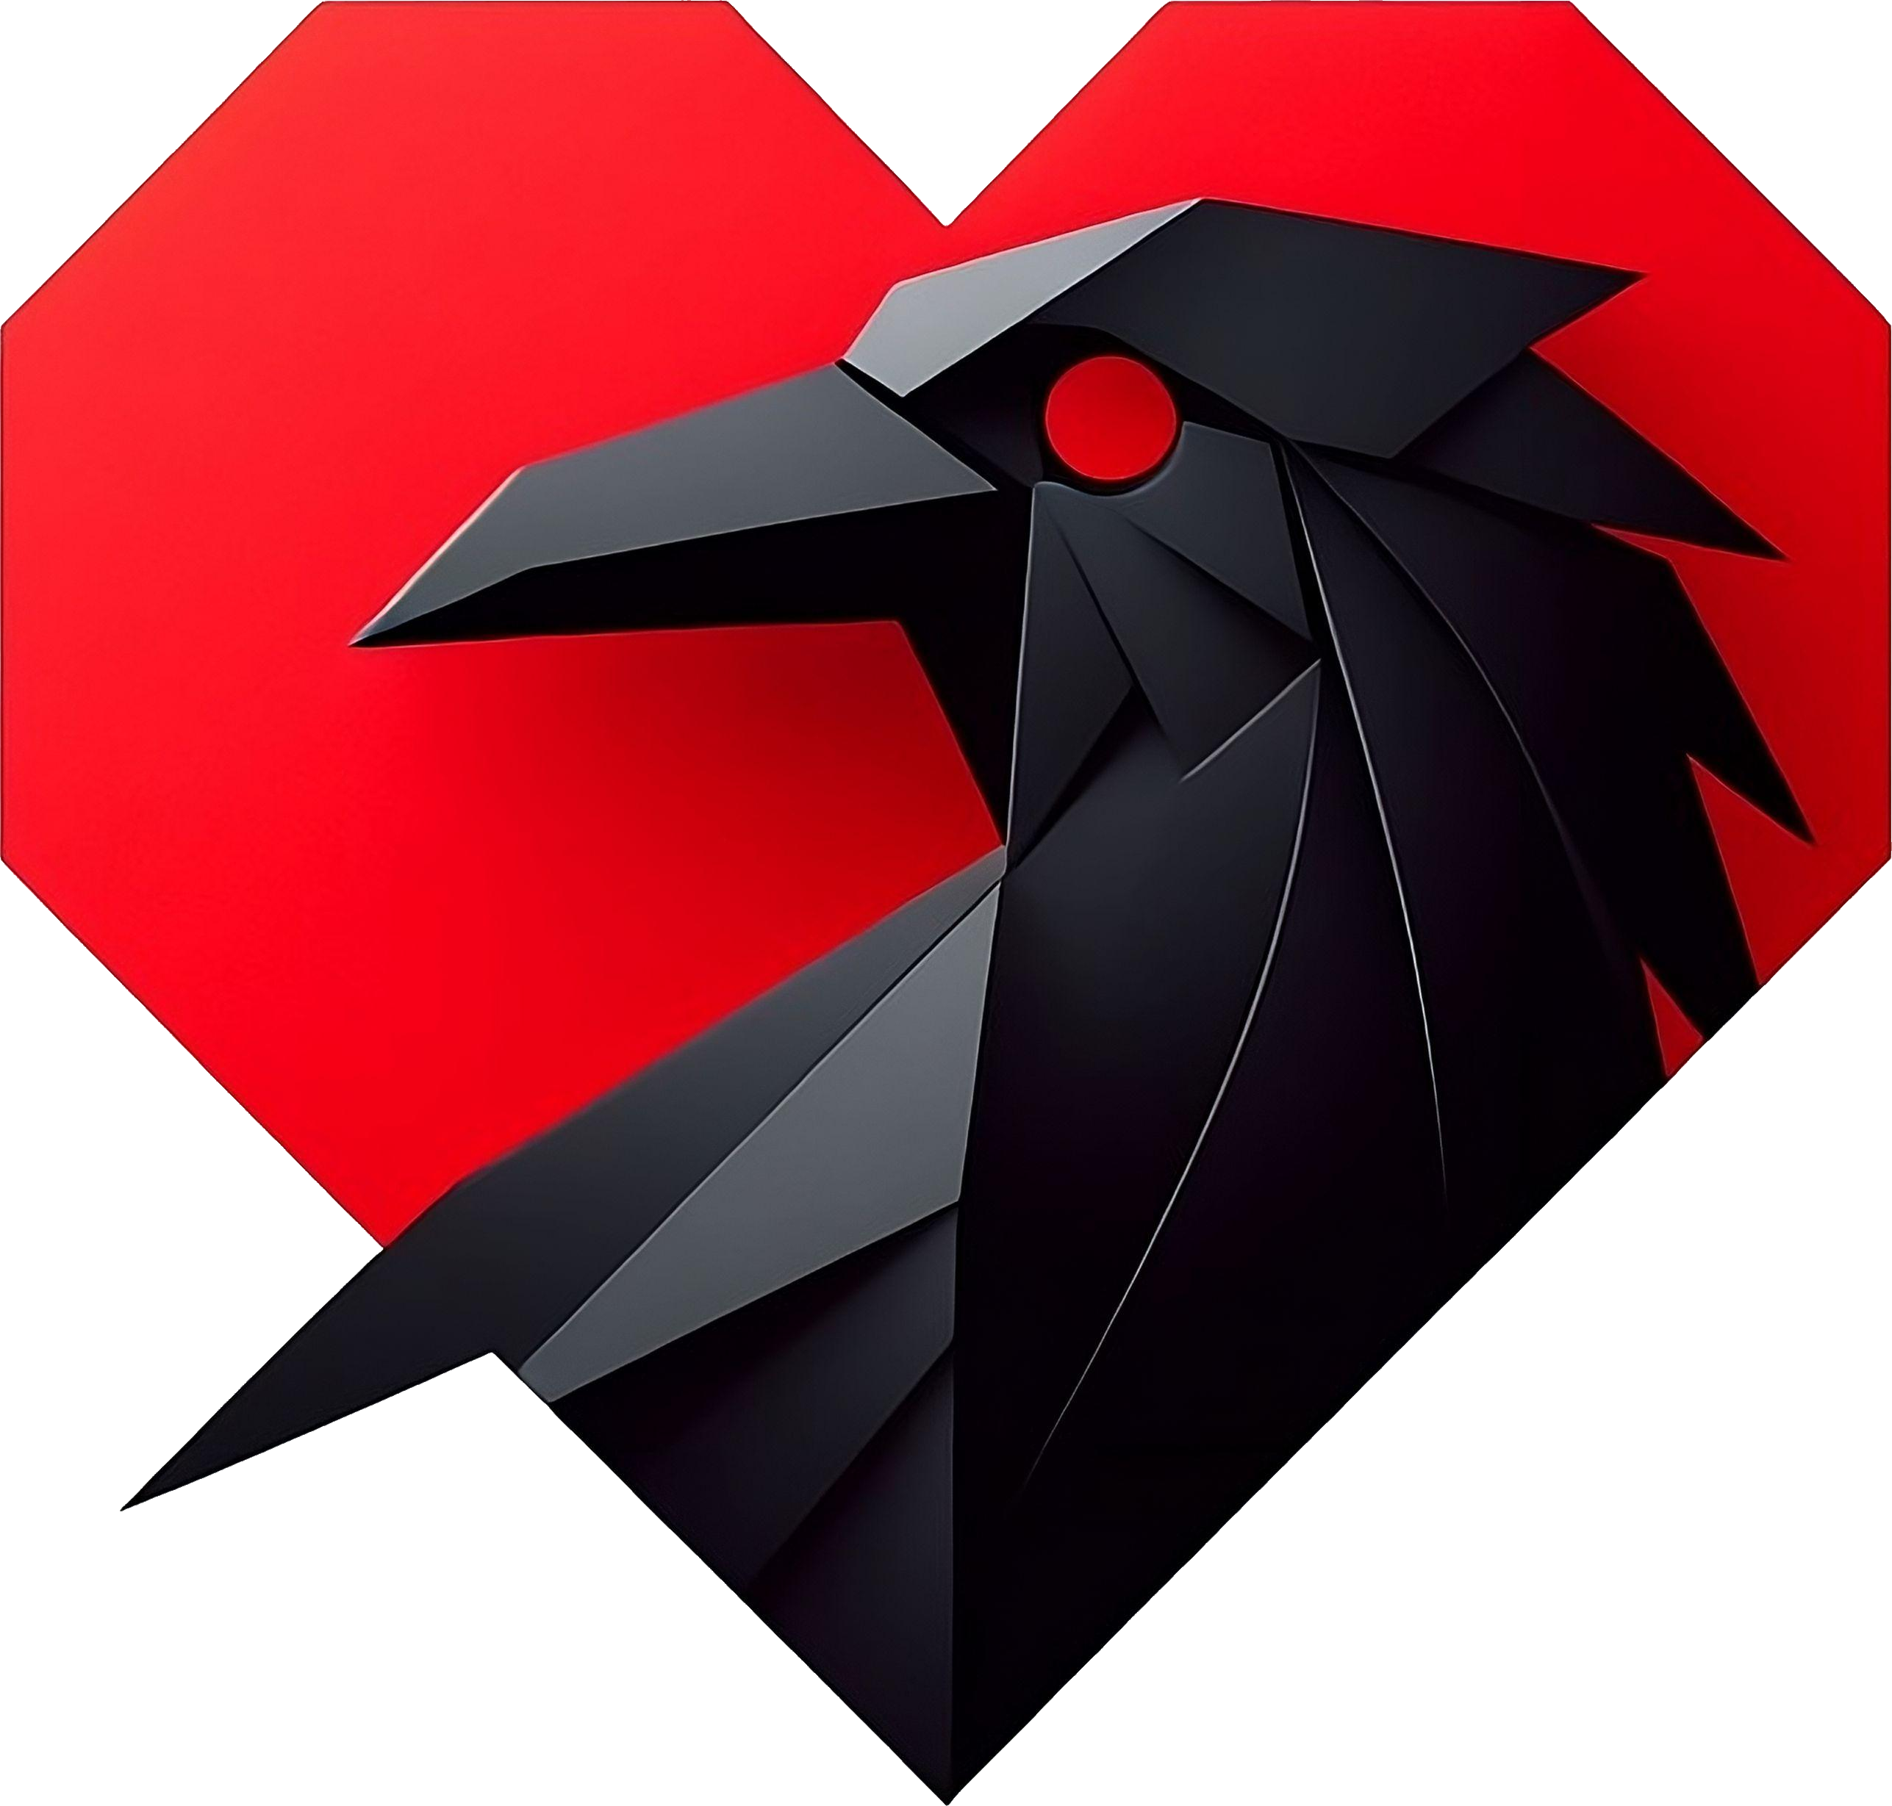
RED Canids | RED Canids | BR | 
RED Canids Academy | RED Canids Academy | BR | 
ROYALS | ROYALS | GB
RUBIK | RUBIK | HU | 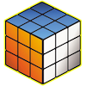
RUBY | RUBY | RU | 
RUSH B | RUSH B | RU
RUSTEC | RUSTEC | RU | 
RYGGSACK! | RYGGSACK! | DK | 
Rare Atom | Rare Atom | CN | 
Reason | Reason | GB
Rebels | Rebels | PL | 
Recognised Talent | Recognised Talent | EU | 
Reveal | Reveal | DE | 
Revel | Revel | US | 
Revenant | Revenant | EU | 
Revenge | Revenge | KG
Revenge Nation | Revenge Nation | EU | 
Rhyno | Rhyno | PT | 
River Plate | River Plate | AR | 
Rocket Esports | Rocket Esports | BR
Rooster | Rooster | AU | 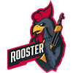
Rounds | Rounds | FI | 
Rydhave Grøn | Rydhave Grøn | DK | 
Rydhave Immortals | Rydhave Immortals | DK
SABRE | SABRE | UA | 
SAW | SAW | PT | 
SAW Myst | SAW Myst | PT
SAW Youngsters | SAW Youngsters | PT | 
SENSEI | SENSEI | BR | 
SERA | SERA | DK
SERA Academy | SERA Academy | DK
SERA Ascent | SERA Ascent | DK
SINNERS | SINNERS | CZ
SINNERS Academy | SINNERS Academy | CZ | 
SK | SK | BR | 
SMOKE Academy | SMOKE Academy | BR | 
SNOGARD Dragons | SNOGARD Dragons | DE | 
SOJOGA GG | SOJOGA GG | BR | 
SPORT | SPORT | BR | 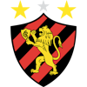
SUPER EVIL GANG | SUPER EVIL GANG | US
Sampi | Sampi | SK | 
Sangal | Sangal | EU | 
Sangal ALTERS | Sangal ALTERS | TR | 
Sashi | Sashi | DK | 
Sashi Academy | Sashi Academy | DK | 
ScarX | ScarX | IR | 
SemperFi | SemperFi | AU | 
Shades | Shades | BR | 
Sharks | Sharks | BR | 
Sharks Youngsters | Sharks Youngsters | BR | 
Shika | Shika | CN | 
Shimmer | Shimmer | US | 
ShindeN | ShindeN | AR | 
Shush | Shush
Singularity | Singularity | DK | 
Sissi State Punks | Sissi State Punks | DE | 
Skamling Efterskole | Skamling Efterskole | DK | 
Skamling Efterskole 1 | Skamling Efterskole 1 | DK
Skamling Efterskole 2 | Skamling Efterskole 2 | DK
Skinvault | Skinvault | FI | 
SkyFury | SkyFury | UA | 
Smoke | Smoke | BR | 
Solid | Solid | BR | 
Sorte Dannebrog | Sorte Dannebrog | DK | 
Soul's Heart | Soul's Heart | NL | 
Speedperformers | Speedperformers | DK | 
Spirit Academy | Spirit Academy | RU | 
Spirit fe | Spirit fe | EU | 
Spotless | Spotless | BY | 
Spray Jutsu | Spray Jutsu | KZ | 
Spray and Slay | Spray and Slay | EU | 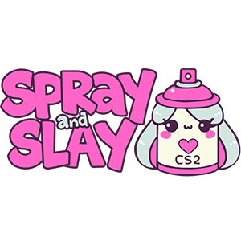
Sprout | Sprout | EU
Sprout Academy | Sprout Academy | EU | 
Stealth | Stealth | KZ | 
Steel Helmet | Steel Helmet | CN | 
Street Dogs | Street Dogs | BR
Strife | Strife | US | 
Superfkrs | Superfkrs | EU
Supernova Comets | Supernova Comets | US | 
Swingers | Swingers | BR
System5 | System5 | EU
Sønderborg eSport | Sønderborg eSport | DK | 
Sørby Brutal | Sørby Brutal | DK | 
Sørby Celestial | Sørby Celestial | DK
Sørby Chill Guys | Sørby Chill Guys | DK
Sørby Eclipse | Sørby Eclipse | DK
Sørby Esport | Sørby Esport | DK
Sørby Fury | Sørby Fury | DK
Sørby Immortals | Sørby Immortals | DK
Sørby Riot | Sørby Riot | DK
Sørby Sandkrigerne | Sørby Sandkrigerned | DK
Sørby Titans | Sørby Titans | DK
TALON | TALON | NZ | 
TGM | TGM | RU | 
THE | THE | RU | 
TNL | TNL | UA | 
TROPA DO TACO | TROPA DO TACO | BR
TROPA DOS 7 | TROPA DOS 7 | BR
TSM | TSM | EU | 
TSM Impact | TSM Impact | US | 
TYLOO | TYLOO | CN
Take Flyte | Take Flyte | US | 
Take Flyte EU | Take Flyte EU | EU | 
Take Flyte Fe | Take Flyte Fe | EU | 
Take Flyte Kings | Take Flyte Kings | US
Team Eclipse | Team Eclipse | DK | 
Team Full Send | Team Full Send | DK | 
Team Liquid | Team Liquid | US | 
Team Secret | Team Secret | EU | 
Team Space | Team Space | RU | 
Team Spirit | Team Spirit | RU
Team Vitality | Team Vitality | FR | 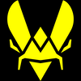
Teamwork | Teamwork | CN
The Art of War | The Art of War | AU | 
The Chosen Few | The Chosen Few | BG | 
The Huns | The Huns | MN | 
The Last Resort | The Last Resort | GB
The Mongolz | The Mongolz | MN | 
The Prodigies | The Prodigies | EU | 
The Prodigies SE | The Prodigies SE | SE | 
The QUBE | The QUBE | MN | 
The Suspect | The Suspect | XK | 
ThunderFlash | ThunderFlash | PL | 
Tricked | Tricked | DK | 
Tropa do KinGui | Tropa do KinGui | BR
Truck Drivers | Truck Drivers |  | 
True Rippers | True Rippers | IN | 
True Synergy | True Synergy | US | 
Tsunami | Tsunami | US | 
Turritos | Turritos | ES | 
Tutel | Tutel | NL | 
Twenty Seven | Twenty Seven | RU | 
Twisted Minds | Twisted Minds |  | 
TÓR | TÓR | KZ | 
UNO MILLE | UNO MILLE | BR
UNPAID | UNPAID | EU
UNiTY | UNiTY | SK | 
UR | UR | CN | 
Underground | Underground | AU | 
União BRARG | União BRARG | BR
Unjustified | Unjustified | US | 
Unjustified fe | Unjustified fe | US
Unsigned Criminals | Unsigned Criminals | DK | 
Unsigned Fraggers | Unsigned Fraggers | DK | 
Unsigned Puggers | Unsigned Puggers | DK | 
Unsigned Vultures | Unsigned Vultures | DK | 
Uppercuthummerklo | Uppercuthummerklo | DK | 
V1dar | V1dar | RU | 
VAMOS | VAMOS | DK | 
VELOX | VELOX | AR | 
VOID | VOID | NO | 
VP.Angels | VP.Angels | RU
VP.Prodigy | VP.Prodigy | RU | 
Vagrants | Vagrants | US | 
Vantage | Vantage | AU | 
Vendetta Gaming | Vendetta Gaming | DK | 
Vendetta Gaming Academy | Vendetta Gaming Academy | DK
Venom | Venom | SE | 
Verbal Abuse | Verbal Abuse | DK | 
Verdant | Verdant | GB | 
Vex Dragons | Vex Dragons | BR | 
Vibe | Vibe | US
Victores Sumus | Victores Sumus | IN | 
Victorum | Victorum | US | 
Vikings KR | Vikings KR | BR | 
Vilde Huskatte | Vilde Huskatte | DK | 
Vilde Maine Coon | Vilde Maine Coon | DK
Vilde Manx | Vilde Manx | DK
Vilde Sibirisk Katte | Vilde Sibirisk Katte | DK
Vilde Sphynx | Vilde Sphynx | DK
Vilde skovkatte | Vilde skovkatte | DK
Villainous | Villainous | US | 
Viperio | Viperio | GB | 
Viperio Academy | Viperio Academy | GB | 
Virtual Cottage | Virtual Cottage | EU
Virtus.Pro | Virtus.Pro | RU
VitaPLUR | VitaPLUR | US | 
Volt | Volt | EU | 
W7M | W7M | BR | 
W7M fe | W7M fe | BR | 
WG Bandits | WG Bandits | US | 
WOPA | WOPA | DK | 
WOPA Impact | WOPA Impact | EU
WOPA Project X | WOPA Project X | DK | 
WOPA Stars | WOPA Stars | DK
WOPA Talent | WOPA Talent | DK
WOPA Titans | WOPA Titans | DK
WOPA Unknowns | WOPA Unknowns | DK
WOPA Washed | WOPA Washed | DK
WW | WW | RU | 
Wacki Dacki | Wacki Dacki | DK | 
Wanted Goons | Wanted Goons | US | 
Wave | Wave |  | 
Whois | Whois | DK | 
WiLD | WiLD | HU | 
WildLotus | WildLotus | EU
Wildcard | Wildcard | US | 
Wildcard Academy | Wildcard Academy | EU | 
Wings Up | Wings Up | CN | 
Wizard | Wizard | NO | 
Wolves | Wolves | LT | 
Worms | Worms | UA
Wu-Tang | Wu-Tang | EU
X7 Team | X7 Team | BR | 
XI Academy | XI Academy | DK | 
XI Alliance | XI Alliance | DK
XI B | XI B | DK | 
XI Esport | XI | DK
XI Prime Time | XI Prime Time | DK
XNL | XNL | CN
XO | XO
XPERION NXT | XPERION NXT | DE | 
Yawara | Yawara | BR | 
Young Gods | Young Gods | SE
Young Ninjas | Young Ninjas | SE
Zero Tenacity | Zero Tenacity | EU | 
Zomblers | Zomblers | US | 
adalYamigos | adalYamigos | BR | 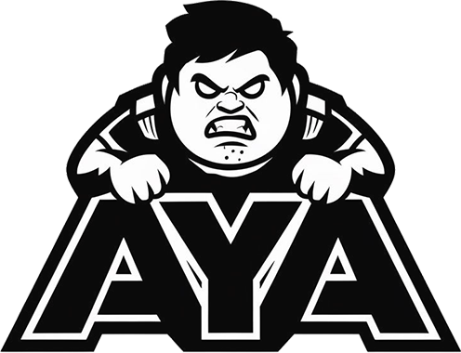
aimclub | aimclub | EU
benched | benched | RU
brazylijski luz | brazylijski luz | PL | 
cleanup crew fe | cleanup crew fe | US | 
devils.one | devils.one | PL
dream catchers fe | dream catchers fe | RU | 
eHawks | eHawks | EU | 
eSpuma | eSpuma | DK | 
eSpuma acd | eSpuma acd | DK
eSuba | eSuba | SK | 
ex-EC Brugge | ex-EC Brugge | EU
ex-Enterprise | ex-Enterprise | PL
ex-FORZE Ladies | ex-FORZE Ladies | RU
ex-Floripa Stars | ex-Floripa Stars | BR
ex-GUILD fe | ex-GUILD fe | EU
ex-SENSEI | ex-SENSEI | BR
ex-TALON | ex-TALON | AU
fnatic | fnatic | SE | 
fnatic Rising | fnatic Rising | SE
friends project | friends project | DK | 
goatgang | goatgang | DK | 
guardiaN5 | guardiaN5 | PK
harizma | harizma | RU
iNation | iNation | RS | 
inSanitY | inSanitY | BR | 
inSanitY fe | inSanitY fe | BR | 
jahsdnmasjdm | jahsdnmasjdm | US
kONO.ECF | kONO.ECF | UA | 
kebabs | kebabs
lajtbitexe | lajtbitexe | PL | 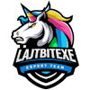
los kogutos | los kogutos | PL | 
megoshort | megoshort | SE
more whiskey | more whiskey
nomercy fe | nomercy fe | RU | 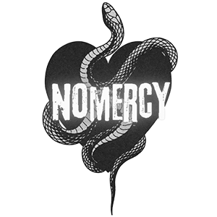
nomix | nomix | SE
paiN | paiN | BR | 
paiN Academy | paiN Academy | BR | 
poeters klub | poeters klub | DK
pugdesonesto | pugdesonesto | BR | 
regain | regain | US | 
regnum4games | regnum4games | DE | 
sYnck | sYnck | EE | 
st4rboys | st4rboys | PK | 
thekillaz fe | thekillaz fe | BR | 
timbermen | timbermen | US | 
udfordret 5 | udfordret 5 | DK | 
undeRRRated | undeRRRated | BY
undefined | undefined | US | 
xGOD | xGOD | KZ | 
Ølgod Efterskole 1 | Ølgod Efterskole 1 | DK | 
Ølgod Efterskole 2 | Ølgod Efterskole 2 | DK
Ølgod Efterskole 3 | Ølgod Efterskole 3 | DK
Ølgod Efterskole X | Ølgod Efterskole X | DK
Ølgod Efterskole Y | Ølgod Efterskole Y | DK
Ølgod Mix | Ølgod Mix | DK
Þór | Þór | IS | 

